Лист2
Test number | Description of test | Result of test | Evidence
Index
1.1 | Hyperlink Home page | Home page loads | 
1.2 | Hyperlink Full Stack Developer page | Full Stack Developer page loads
1.3 | Hyperlink Games Developer page | Games Developer page loads
1.4 | Hyperlink Front End Developer page | Front End Developer page loads
1.5 | Hyperlink Backend Develop page | Backend Develop page loads
1.6 | Text | Text Displays
1.7 | styles | background colours display
1.8 | styles | correct fonts display
1.9 | styles | links formatted correctly
1.10 | images | logo appears
1.11 | images | Pictures appears
Fullstack
2.1 | Hyperlink Home page | Home page loads | 
2.2 | Hyperlink Full Stack Developer page | Full Stack Developer page loads
2.3 | Hyperlink Games Developer page | Games Developer page loads
2.4 | Hyperlink Front End Developer page | Front End Developer page loads
2.5 | Hyperlink Backend Develop page | Backend Develop page loads
2.6 | Text | Text Displays
2.7 | styles | background colours display
2.8 | styles | correct fonts display
2.9 | styles | links formatted correctly
2.10 | images | logo appears
2.11 | images | Pictures appears
Games
3.1 | Hyperlink Home page | Home page loads | 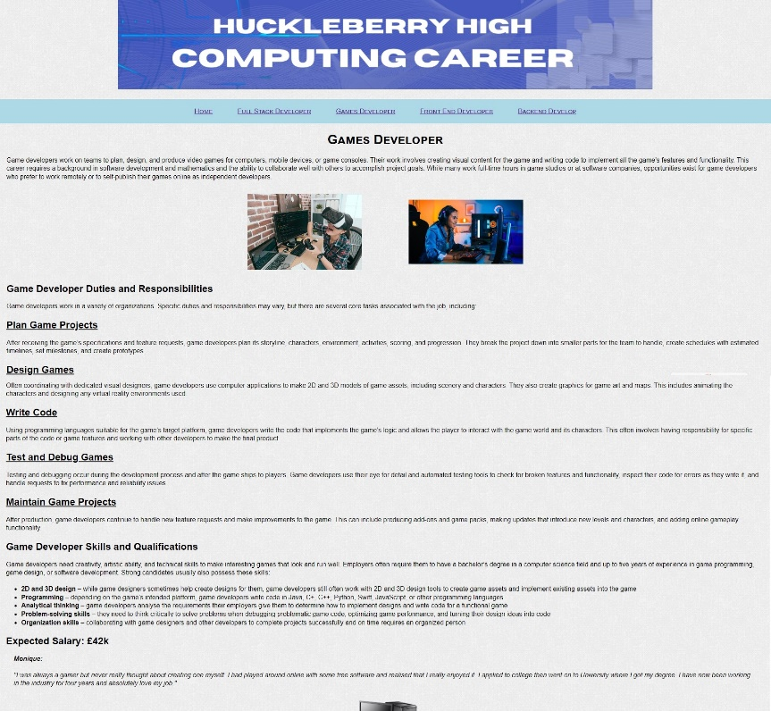
3.2 | Hyperlink Full Stack Developer page | Full Stack Developer page loads
3.3 | Hyperlink Games Developer page | Games Developer page loads
3.4 | Hyperlink Front End Developer page | Front End Developer page loads
3.5 | Hyperlink Backend Develop page | Backend Develop page loads
3.6 | Text | Text Displays
3.7 | styles | background colours display
3.8 | styles | correct fonts display
3.9 | styles | links formatted correctly
3.10 | images | logo appears
3.11 | images | Pictures appears
Frontend
4.1 | Hyperlink Home page | Home page loads | 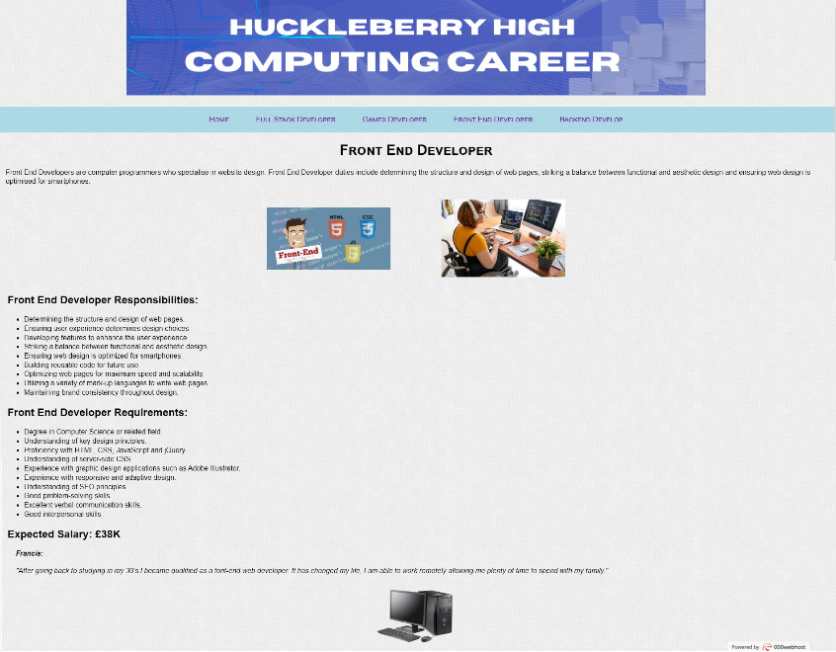
4.2 | Hyperlink Full Stack Developer page | Full Stack Developer page loads
4.3 | Hyperlink Games Developer page | Games Developer page loads
4.4 | Hyperlink Front End Developer page | Front End Developer page loads
4.5 | Hyperlink Backend Develop page | Backend Develop page loads
4.6 | Text | Text Displays
4.7 | styles | background colours display
4.8 | styles | correct fonts display
4.9 | styles | links formatted correctly
4.10 | images | logo appears
4.11 | images | Pictures appears
Backend
5.1 | Hyperlink Home page | Home page loads | 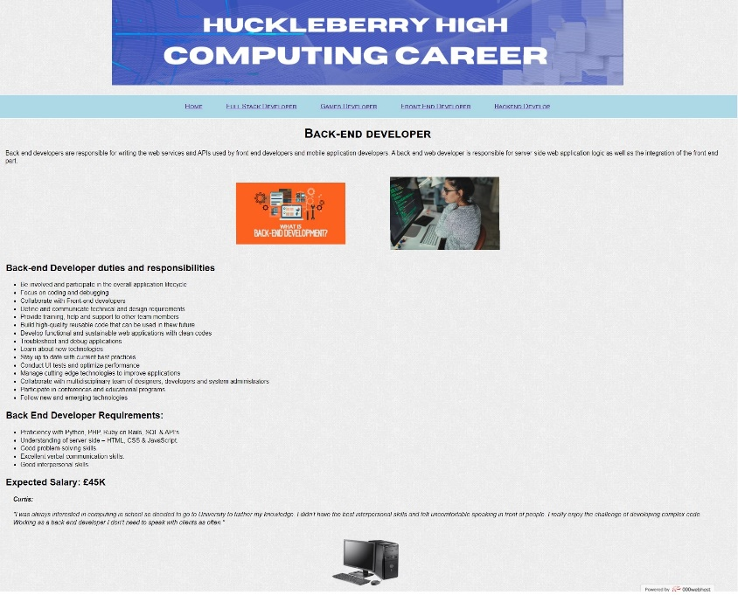
5.2 | Hyperlink Full Stack Developer page | Full Stack Developer page loads
5.3 | Hyperlink Games Developer page | Games Developer page loads
5.4 | Hyperlink Front End Developer page | Front End Developer page loads
5.5 | Hyperlink Backend Develop page | Backend Develop page loads
5.6 | Text | Text Displays
5.7 | styles | background colours display
5.8 | styles | correct fonts display
5.9 | styles | links formatted correctly
5.10 | images | logo appears
5.11 | images | Pictures appears

